Location Plan & Summary
Intelligent Data Collection Limited

Client: | Bristol City Council |  |  | Date of Survey: |  | 09.07.2015
Project Number: | ID02343 |  |  | Site Name: |  | Villiers Road
Site Number: | Site ANPR 12 |  |  | Survey Type: |  | Two-way Link Count

X Coordinate |  | Y Coordinate |  |  | Google Maps Link
51.464359 |  | -2.56975 |  |  | Click Here
AM Peak Conditions |  | Inter-Peak Conditions |  |  | PM Peak Conditions
Clear and Sunny |  | Clear and Sunny |  |  | Clear and Sunny
Junction Layout

N
 |  |  |  |  |  | Arm B - Villiers Road (N)

 |  |  | Arm A - Villiers Road (S)

Aerial Mapping and On-site Camera View
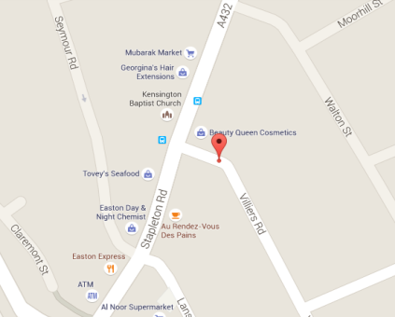
Arm B - Villiers Road (N)

Arm A - Villiers Road (S)

Junction Flow Profile
Arm Approach Flows (All Vehicles)
 | A to B (Northbound) | B to A (Southbound) | Two-way Total
7:00:00 | 0 | 2 | 2
7:15:00 | 4 | 2 | 6
7:30:00 | 0 | 4 | 4
7:45:00 | 4 | 9 | 13
8:00:00 | 3 | 4 | 7
8:15:00 | 1 | 5 | 6
8:30:00 | 2 | 7 | 9
8:45:00 | 9 | 9 | 18
9:00:00 | 5 | 8 | 13
9:15:00 | 7 | 7 | 14
9:30:00 | 8 | 3 | 11
9:45:00 | 3 | 6 | 9
10:00:00 | 3 | 8 | 11
10:15:00 | 5 | 3 | 8
10:30:00 | 4 | 4 | 8
10:45:00 | 6 | 3 | 9
11:00:00 | 5 | 5 | 10
11:15:00 | 6 | 7 | 13
11:30:00 | 7 | 6 | 13
11:45:00 | 3 | 5 | 8
12:00:00 | 4 | 6 | 10
12:15:00 | 12 | 9 | 21
12:30:00 | 7 | 6 | 13
12:45:00 | 6 | 9 | 15
13:00:00 | 8 | 10 | 18
13:15:00 | 3 | 19 | 22
13:30:00 | 6 | 8 | 14
13:45:00 | 6 | 11 | 17
14:00:00 | 5 | 8 | 13
14:15:00 | 5 | 4 | 9
14:30:00 | 9 | 9 | 18
14:45:00 | 9 | 7 | 16
15:00:00 | 3 | 9 | 12
15:15:00 | 9 | 11 | 20
15:30:00 | 11 | 7 | 18
15:45:00 | 13 | 7 | 20
16:00:00 | 14 | 10 | 24
16:15:00 | 7 | 9 | 16
16:30:00 | 9 | 15 | 24
16:45:00 | 8 | 12 | 20
17:00:00 | 11 | 7 | 18
17:15:00 | 11 | 2 | 13
17:30:00 | 8 | 7 | 15
17:45:00 | 5 | 6 | 11
18:00:00 | 10 | 5 | 15
18:15:00 | 11 | 7 | 18
18:30:00 | 6 | 9 | 15
18:45:00 | 9 | 7 | 16

Additional Notes (Factors which may impact on survey results such as accidents, roadworks, special events):

